Client Calculation
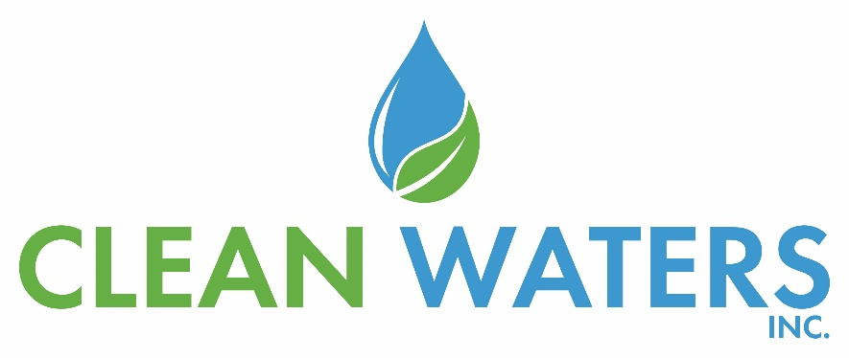
Clean Waters | number of units | Run time per day | Days per week | Feed GPM | Feed % solids | Total Gallons | dry tons/hour | wet tons/hour | polymer % | polymer GPM | Polymer cost/lb | polymer lbs/DT | cake % | total DT | Total WT
 | 2 | 7 | 5 | 75 | 2.00% | 63,000 | 0.37 | 1.87 | 0.50% | 9.2 | $2.25 | 61.33 | 20.00% | 5.23 | 26.15

Competitor | number of units | Run time per day | Days per week | Feed GPM | Feed % solids | Total Gallons | dry tons/hour | wet tons/hour | polymer % | polymer GPM | Polymer cost/lb | polymer lbs/DT | cake % | total DT | Total WT
 | 2 | 7 | 5 | 75 | 2.00% | 63,000 | 0.37 | 1.97 | 0.50% | 10.0 | $1.76 | 66.67 | 18.95% | 5.23 | 27.59

 |  |  | Daily |  | Weekly |  | Monthly |  | Yearly
 | unit type | unit price | Clean Waters | Competitor | Clean Waters | Competitor | Clean Waters | Competitor | Clean Waters | Competitor
 | lb |  | $721.60 | $613.54 | $3,608.01 | $3,067.68 | $14,432.04 | $12,270.72 | $173,184.48 | $147,248.64
 | wet ton | $90.00 | $2,353.05 | $2,483.43 | $11,765.25 | $12,417.15 | $47,061.00 | $49,668.60 | $564,732.00 | $596,023.22
 | total cost |  | $3,074.65 | $3,096.97 | $15,373.26 | $15,484.83 | $61,493.04 | $61,939.32 | $737,916.48 | $743,271.86
 | total cost per dry ton |  | $588.00 | $592.27 | $588.00 | $592.27 | $588.00 | $592.27 | $588.00 | $592.27
 | total cost per wet ton |  | $117.60 | $118.45 | $117.60 | $118.45 | $117.60 | $118.45 | $117.60 | $118.45

 |  |  | Savings
 | Daily |  |  |  | Weekly |  | Monthly |  |  | Yearly

 | Savings |  | $22.31 |  | $111.57 |  | $446.28 |  |  | $23,206.64

Yearly Costs
 | 1 | 1

